Flowrate LU
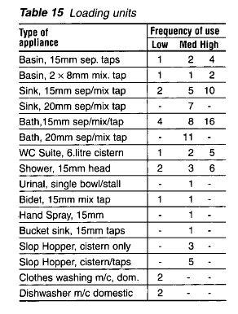
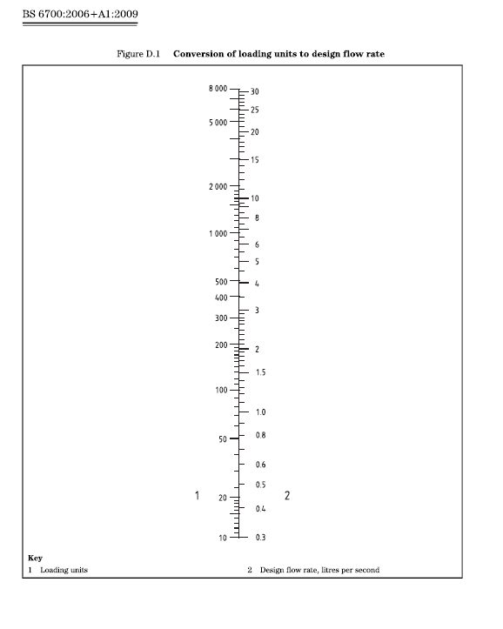
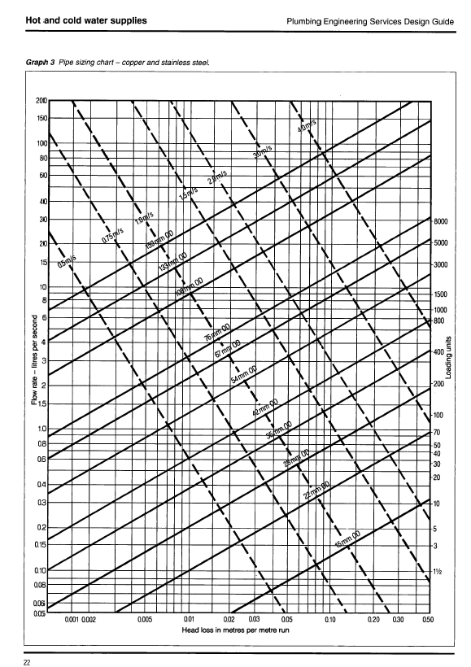
 | Project No.
 | Project
 | Title
 | Schedule No.
 | Revision
 | Date

Sanitary Appliance | Quantity |  |  |  |  |  |  | Loading Units |  |  |  | Notes / Assumptions
 | (No.) |  |  |  |  |  |  | Cold Water |  | Hot Water
 | Char | Climate | Enzyme | M Small | Robot |  | Tot. | No. | Total | No. | Total
WC (6 litre cistern) |  |  |  |  |  | - | 0 |  | 0 |  | 0
WHB (Separate Taps) |  |  |  |  |  | - | 0 |  | 0 |  | 0
Kitchen Sink |  |  |  |  |  | - | 0 |  | 0 |  | 0
Cl. Sink (15mm bucket sink) |  |  |  |  |  | - | 0 |  | 0 |  | 0
Sink (15mm) |  |  |  |  |  | - | 0 |  | 0 |  | 0
Bip Tap |  |  |  |  |  | - | 0 |  | 0 |  | 0
Bath |  |  |  |  |  | - | 0 |  | 0 |  | 0
Shower |  |  |  |  |  | - | 0 |  | 0 |  | 0
Washing Machine |  |  |  |  |  | - | 0 |  | 0 |  | 0
Dishwasher |  |  |  |  |  | - | 0 |  | 0 |  | 0

Total Loading Units |  |  |  |  |  |  |  | Cold | 0 | Hot | 0 | Hot & Cold | 0
Equivalent Flow Rate (l/s) |  |  |  |  |  |  |  |  | 0.000 |  | 0.000 |  | 0.000

Other Appliance Flow Rate Requirements

Appliance | Location |  |  |  |  |  |  | CW Flow Rate |  | HW Flow Rate |  | Hot & Cold

Equivalent Flow Rate From Above |  |  |  |  |  |  |  | 0.000 |  | 0.000 |  | 0.000
TOTAL |  |  |  |  |  |  |  | 0.000 |  | 0.000 |  | 0.000
Pipe Size

IP 02-05-13-5301 Version 1

